Instructions
Order form External Venetian Blinds - Instructions

Product abbreviation 2
Abbreviation | Description | Note
C80 motor 34 | Cetta 80, motor control for Facade system
Z90 motor 34 | Zetta 90, motor control for Facade system
C80 F motor 34 | Cetta 80 Flexi, motor control for Facade system

Slat type
Abbreviation | Description | Note
C80 | Cetta 80
C802 | Cetta 80, perpendicular bottom rail
Z90 | Zetta 90
Z902 | Zetta 90, perpendicular bottom rail
C80F | Cetta 80 Flexi
C80F2 | Cetta 80 Flexi, perpendicular bottom rail

Slat color
Abbreviation | Description | Note
1015 | Light ivory
1019 | Grey beige
7016S | Anthracite grey structure
7016 | Anthracite grey
7022 | Umbragrey
7035 | Light grey
7038 | Achate grey
7039 | Grey
7048 | Pearl mouse grey
8014 | Sepia brown
8019 | Grey brown
9005 | Jet black
9006S | White aluminium structure
9006 | White aluminium
9007 | Grey aluminium
9010 | Pure white
9016 | Traffic white
VSR 780 | Bronze
YW359F | Black metallic
3004 | Purple red | Check with Sales Rep. - different delivery time
7021 | Grey black | Check with Sales Rep. - different delivery time
DB 702 | Pearl light grey | Check with Sales Rep. - different delivery time
DB 703 | Pearl dark grey | Check with Sales Rep. - different delivery time
W210 | Golden Oak | Check with Sales Rep. - different delivery time
X | Other | Check with Sales Rep. - different delivery time




Ladder cord |  |  | BDUOSLIM - CENTR SLIM DUO INSERT,BLACK | BDUO - CENTR,DUO,BLACK | BLTSLIMST - EXCENTR SLIM STANDARD,LT,BLACK
Abbreviation | Description | Note | DUOSLIM - CENTR SLIM DUO INSERT,GREY | DUO - CENTR,DUO,GREY | 0LTSLIMST - EXCENTR SLIM STANDARD,LT,GREY
BDUOSLIM | CENTR SLIM DUO INSERT,BLACK | punching in slat axis + insert
DUOSLIM | CENTR SLIM DUO INSERT, GREY | punching in slat axis + insert
BSLIM | CENTR SLIM INSERT,BLACK | punching in slat axis + insert
SLIM | CENTR SLIM INSERT,GREY | punching in slat axis + insert
BLTSLIM | CENTR SLIM INSERT,LT,BLACK | punching in slat axis + insert
0LTSLIM | CENTR SLIM INSERT,LT,GREY | punching in slat axis + insert
BST | CENTR,BLACK | punching in slat axis
BDUO | CENTR,DUO,BLACK | punching in slat axis
DUO | CENTR,DUO,GREY | punching in slat axis
ST | CENTR,GREY | punching in slat axis
BLT | CENTR,LT,BLACK | punching in slat axis
0LT | CENTR,LT,GREY | punching in slat axis
BDUOSLIMST | EXCENTR SLIM DUO STANDARD,BLACK | punching out of slat axis, for Cetta 80 only
DUOSLIMST | EXCENTR SLIM DUO STANDARD,GREY | punching out of slat axis, for Cetta 80 only
BSLIMST | EXCENTR SLIM STANDARD,BLACK | punching out of slat axis, for Cetta 80 only | BSLIM - CENTR SLIM INSERT,BLACK | BLT - CENTR,LT,BLACK | BSLIMST - EXCENTR SLIM STANDARD,BLACK
SLIMST | EXCENTR SLIM STANDARD,GREY | punching out of slat axis, for Cetta 80 only | SLIM - CENTR SLIM INSERT,GREY | 0LT - CENTR,LT,GREY | SLIMST - EXCENTR SLIM STANDARD,GREY



BLTSLIMST | EXCENTR SLIM STANDARD,LT,BLACK | punching out of slat axis, for Cetta 80 only
0LTSLIMST | EXCENTR SLIM STANDARD,LT,GREY | punching out of slat axis, for Cetta 80 only

Control position
Abbreviation | Description | Note
S | center
L | left
P | right

Control type
Abbreviation | Description | Note
A6 | motor Isotra Basic 6Nm up to 10m²
A10 | motor Isotra Basic 10Nm up to 16m²
G | motor Geiger (automatically) | motor Geiger
G3 | MOTOR Geiger 3 Nm up to 7 m2 | motor Geiger
G6 | MOTOR Geiger 6 Nm up to 13 m2 | motor Geiger | BST - CENTR,BLACK | BDUOSLIMST - EXCENTR SLIM DUO STANDARD,BLACK
G10 | MOTOR Geiger 10 Nm up to 21 m2 | motor Geiger | ST - CENTR,GREY | DUOSLIMST - EXCENTR SLIM DUO STANDARD,GREY


G20 | MOTOR Geiger 20 Nm up to 28 m2 | motor Geiger
G6AIR | MOTOR Geiger AIR 6 Nm up to 7 m2 | motor Geiger
G10AIR | MOTOR Geiger AIR 10 Nm up to 13 m2 | motor Geiger
G20AIR | MOTOR Geiger AIR 20 Nm up to 21 m2 | motor Geiger
E5 | MOTOR Elero 6 Nm up to 10 m2 | motor Elero
E9 | MOTOR Elero 9 Nm up to 16 m2 | motor Elero
S | motor Somfy WT (automatically) | motor Somfy
S2 | motor Somfy iO (automatically) | motor Somfy iO
M6 | MOTOR Somfy WT 6 Nm up to 10 m2 | motor Somfy
M10 | MOTOR Somfy WT 10 Nm up to 16 m2 | motor Somfy
M20 | MOTOR Somfy WT 18 Nm up to 20 m2 | motor Somfy
J6 | MOTOR Somfy HTM 6 Nm up to 10 m2 | motor Somfy
J10 | MOTOR Somfy HTM 10 Nm up to 16 m2 | motor Somfy
IO6 | MOTOR Somfy IO PROTECT 6 Nm up to 10 m2 | motor Somfy iO
IO10 | MOTOR Somfy IO PROTECT 10 Nm up to 16 m2 | motor Somfy iO
IO20 | MOTOR Somfy IO PROTECT 18 Nm up to 20 m2 | motor Somfy iO
M6P | MOTOR Somfy WT PROTECT 6 Nm up to 10 m2 | motor Somfy
M10P | MOTOR Somfy WT PROTECT 10 Nm up to 16 m2 | motor Somfy
M18P | MOTOR Somfy WT PROTECT 18 Nm up to 20 m2 | motor Somfy
ESOL | MOTOR Elero AKKU SOLAR 4Nm <8m2 (12V)
0 | none (for connected blinds)
0M | without motor, only motor preparation - extra charge | customer motor supply

Head-rail material
Abbreviation | Description | Note
Fe | standard profile 56x58mm, mat.Fe

Head-rail color
Abbreviation | Description | Note
Zn | zinc-coated | standard
1001 | RAL yellow (beige) 1001
1003 | RAL yellow (signal yellow) 1003
1011 | RAL yellow (brown beige) 1011
1013 | RAL yellow (oyster white) 1013
1015 | RAL yellow (light ivory) 1015
3000 | RAL red (flame red) 3000
3002 | RAL red (carmine red) 3002
3003 | RAL red (ruby red) 3003
3004 | RAL red (special for slat 3004)
3005 | RAL red (wine red) 3005
3012 | RAL red (beige red) 3012
5002 | RAL blue (ultramarine blue) 5002
5005 | RAL blue (signal blue) 5005
5009 | RAL blue (azure blue) 5009
5011 | RAL blue (steel blue) 5011
5013 | RAL blue (cobalt blue) 5013
5018 | RAL blue (turquoise blue) 5018
6005 | RAL green (moss green) 6005
6009 | RAL green (fir green) 6009
6011 | RAL green (reseda green) 6011
6018 | RAL green (yellow green) 6018
6026 | RAL green (opal green) 6026
7001 | RAL grey (silver grey) 7001
7012 | RAL grey (basalt grey) 7012
7015 | RAL grey (slate grey) 7015
7016 | RAL grey (anthracite grey) 7016
7022 | RAL grey (umbra grey) 7022
7023 | RAL grey (concrete grey) 7023
7030 | RAL grey (stone grey) 7030
7035 | RAL grey (light grey) 7035
7036 | RAL grey (platinum grey) 7036
7038 | RAL grey (agate grey) 7038
7039 | RAL grey (quartz grey) 7039
7040 | RAL grey (window grey) 7040
7046 | RAL grey (telegrey 2) 7046
7047 | RAL grey (telegrey 4) 7047
7048 | RAL grey (pearl grey) 7048
8001 | RAL brown (ochre brown) 8001
8002 | RAL brown (signal brown) 8002
8003 | RAL brown (clay brown) 8003
8004 | RAL brown (copper brown) 8004
8007 | RAL brown (fawn brown) 8007
8011 | RAL brown (nut brown) 8011
8012 | RAL brown (red brown) 8012
8014 | RAL brown (sepia brown) 8014
8016 | RAL brown (mahogany brown) 8016
8019 | RAL brown (grey brown) 8019
8023 | RAL brown (orange brown) 8023
8028 | RAL brown (terra brown) 8028
9001 | RAL white (cream white) 9001
9004 | RAL black (signal black) 9004
9005 | RAL black (jet black) 9005
9007 | RAL grey (grey aluminium) 9007
9010 | RAL white 9010
9016 | RAL white (traffic white) 9016
9017 | RAL black (traffic black) 9017
9022 | RAL pearl (light grey) 9022
9003 | RAL white (signal) 9003)
9006 | RAL grey (grey aluminium) 9006
DB702 | RAL grey (for slat DB702)
DB703 | RAL grey (dark pearl) DB 703
VSR780 | RAL VSR780
7006 | RAL grey (running grey) 7006
7021 | RAL grey (black-grey) 7021
7024 | RAL grey (graphite) 7024
7016M | RAL grey (anthracite) matt 7016
9016M | RAL white (traffic) matt 9016
9006S | RAL grey (grey aluminium) 9006 structured
7016S | RAL grey (anthracite grey) 7016 structured

Bottom-rail color
Abbreviation | Description | Note
0 | none
1001 | RAL yellow (beige) 1001
1003 | RAL yellow (signal yellow) 1003
1011 | RAL yellow (brown beige) 1011
1013 | RAL yellow (oyster white) 1013
1015 | RAL yellow (light ivory) 1015
3000 | RAL red (flame red) 3000
3002 | RAL red (carmine red) 3002
3003 | RAL red (ruby red) 3003
3004 | RAL red (special for slat 3004)
3005 | RAL red (wine red) 3005
3012 | RAL red (beige red) 3012
5002 | RAL blue (ultramarine blue) 5002
5005 | RAL blue (signal blue) 5005
5009 | RAL blue (azure blue) 5009
5011 | RAL blue (steel blue) 5011
5013 | RAL blue (cobalt blue) 5013
5018 | RAL blue (turquoise blue) 5018
6005 | RAL green (moss green) 6005
6009 | RAL green (fir green) 6009
6011 | RAL green (reseda green) 6011
6018 | RAL green (yellow green) 6018
6026 | RAL green (opal green) 6026
7001 | RAL grey (silver grey) 7001
7012 | RAL grey (basalt grey) 7012
7015 | RAL grey (slate grey) 7015
7016 | RAL grey (anthracite grey) 7016
7022 | RAL grey (umbra grey) 7022
7023 | RAL grey (concrete grey) 7023
7030 | RAL grey (stone grey) 7030
7035 | RAL grey (light grey) 7035
7036 | RAL grey (platinum grey) 7036
7038 | RAL grey (agate grey) 7038
7039 | RAL grey (quartz grey) 7039
7040 | RAL grey (window grey) 7040
7046 | RAL grey (telegrey 2) 7046
7047 | RAL grey (telegrey 4) 7047
7048 | RAL grey (pearl grey) 7048
8001 | RAL brown (ochre brown) 8001
8002 | RAL brown (signal brown) 8002
8003 | RAL brown (clay brown) 8003
8004 | RAL brown (copper brown) 8004
8007 | RAL brown (fawn brown) 8007
8011 | RAL brown (nut brown) 8011
8012 | RAL brown (red brown) 8012
8014 | RAL brown (sepia brown) 8014
8016 | RAL brown (mahogany brown) 8016
8019 | RAL brown (grey brown) 8019
8023 | RAL brown (orange brown) 8023
8028 | RAL brown (terra brown) 8028
9001 | RAL white (cream white) 9001
9004 | RAL black (signal black) 9004
9005 | RAL black (jet black) 9005
9007 | RAL grey (grey aluminium) 9007
9010 | RAL white 9010
9016 | RAL white (traffic white) 9016
9017 | RAL black (traffic black) 9017
9022 | RAL pearl (light grey) 9022
9003 | RAL white (signal) 9003)
9006 | RAL grey (grey aluminium) 9006
DB702 | RAL grey ( for lamele DB702 )
DB703 | RAL grey (dark pearl) DB 703
7006 | RAL grey (running grey) 7006
7021 | RAL grey (black-grey) 7021
7024 | RAL grey (graphite) 7024
7016M | RAL grey (anthracite) matt 7016
9016M | RAL white (traffic) matt 9016
9006S | RAL grey (grey aluminium) 9006 structured
7016S | RAL grey (anthracite grey) 7016 structured
E | anodized | standard
ISD110 | Isotra system DECORAL smooth ISD110 | Decoral max. width is 4m.
ISD120 | Isotra system DECORAL smooth ISD120 | Decoral max. width is 4m.
ISD130 | Isotra system DECORAL smooth ISD130 | Decoral max. width is 4m.
ISD140 | Isotra system DECORAL smooth ISD140 | Decoral max. width is 4m.
ISD150 | Isotra system DECORAL smooth ISD150 | Decoral max. width is 4m.
ISD160 | Isotra system DECORAL smooth ISD160 | Decoral max. width is 4m.
ISD210 | Isotra system DECORAL structure ISD210 | Decoral max. width is 4m.
ISD220 | Isotra system DECORAL structure ISD220 | Decoral max. width is 4m.
ISD230 | Isotra system DECORAL structure ISD230 | Decoral max. width is 4m.
ISD310 | Isotra system DECORAL polish ISD310 | Decoral max. width is 4m.
ISD152 | Isotra system DECORAL smooth ISD152 | Decoral max. width is 4m.
ISD154 | Isotra system DECORAL smooth ISD154 | Decoral max. width is 4m.
ISD200 | Isotra system DECORAL structure ISD200 | Decoral max. width is 4m.
ISD212 | Isotra system DECORAL structure ISD212 | Decoral max. width is 4m.
ISD214 | Isotra system DECORAL structure ISD214 | Decoral max. width is 4m.
ISD222 | Isotra system DECORAL structure ISD222 | Decoral max. width is 4m.
ISD500 | Isotra system DECORAL smooth ISD500 | Decoral max. width is 4m.
ISD510 | Isotra system DECORAL smooth ISD510 | Decoral max. width is 4m.
ISD600 | Isotra system DECORAL structure ISD600 | Decoral max. width is 4m.
ISD610 | Isotra system DECORAL structure ISD610 | Decoral max. width is 4m.
ISD620 | Isotra system DECORAL structure ISD620 | Decoral max. width is 4m.
ISD630 | Isotra system DECORAL structure ISD630 | Decoral max. width is 4m.
ISD640 | Isotra system DECORAL structure ISD640 | Decoral max. width is 4m.
ISD700 | Isotra system DECORAL blue bubbles ISD700 | Decoral max. width is 4m.
VSR780 | RAL VSR780
X | OTHER COLOUR (check with your Sales Rep.)
Xisd | OTHER ISD (check with your Sales Rep.) | Decoral max. width is 4m.

Guiding type
Abbreviation | Description | Note
VL | plastic guiding pins
VK | metal guiding pins

Guiding left/right
Abbreviation | Description | Note
0FA | without guide rail (-25)
0FB | without guide rail (-27)

Blind bracket type
Abbreviation | Description | Note
P002/32 | 26 Bracket Fe CLICK [P002/32]

Packing
Abbreviation | Description | Note
FB | Foil
K | Cardboard
KV | Cardboard with reinforcement
FBK | Cardboard with bubble foil
FBKV | Cardboard with bubble foil and reinforcement

Valid from 01.04.2024.

Instructions2
Order form OUTSIDE FACADE BLINDS - Instruction 2

Width (mm) a Height (mm)
Illustrative picture

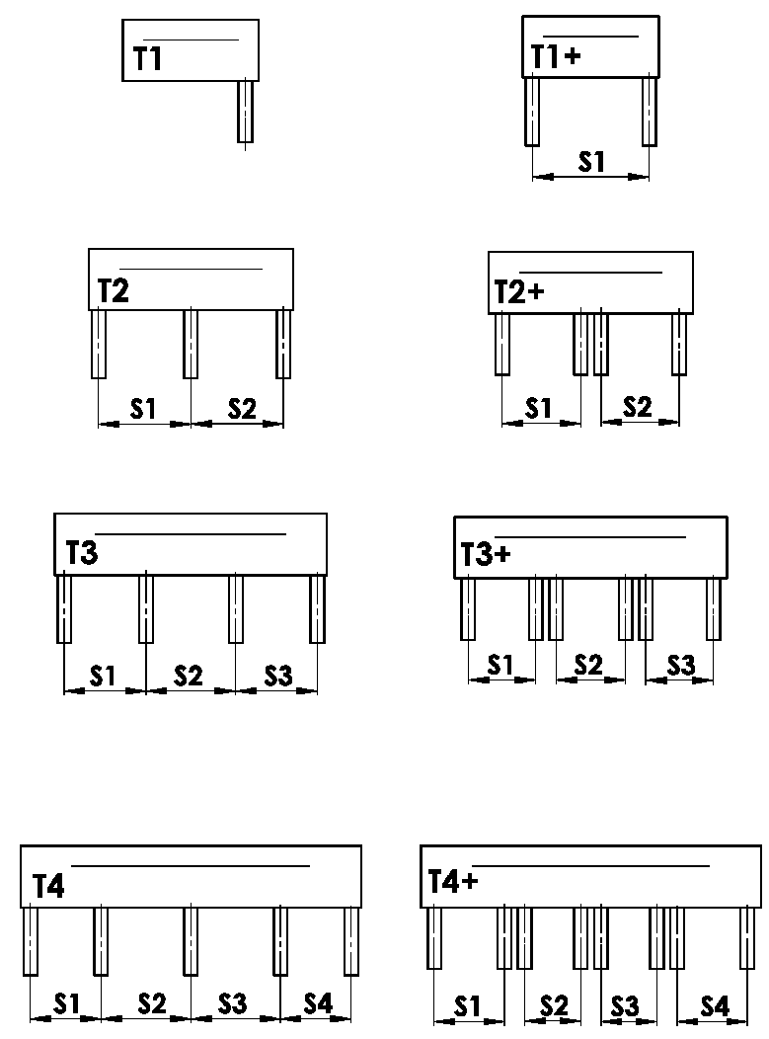
Variations of BOXES
Abbreviation | Name | Note | Illustrative picture
T1 | 1 section, 1 guiding channel
T1+ | 1 section, 2 guiding channels
T2 | 2 sections, 3 guiding channels
T2+ | 2 sections, 2 guiding channels for each section
T3 | 3 sections, 4 guiding channels
T3+ | 3 sections, 2 guiding channels for each section
T4 | 4 sections, 5 guiding channels
T4+ | 4 sections, 2 guiding channels for each section


Placing of guiding channel
Abbreviation | Name | Note | Illustrative picture
A | Outer guiding channels placed inside cover
B | Outer guiding channels placed outside cover
A/B | Outer guiding channels placed 1x inside and 1x outside cover
B/A | Outer guiding channels placed 1x inside and 1x outside cover

Size "B" and "B1" [mm]
Illustrative picture
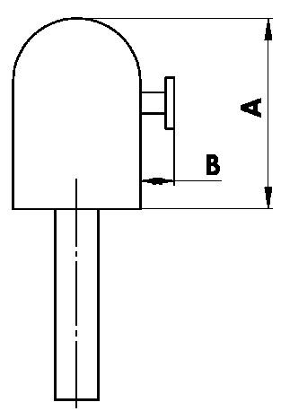
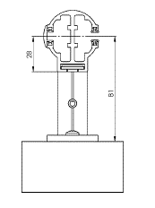

Dimension of front cover - A [mm]
Abbreviation | Name | Note
240 | 240 | C80: to 1600mm | Z90: to 1800 mm | C80F: to 3600mm
332 | 332 | C80: 1601mm - 2900mm | Z90: 1801mm - 3400mm | C80F: over 3601mm
392 | 392 | C80: over 2900mm | Z90: over 3400mm

Colour of front cover
Abbreviation | Name | Note
1001 | RAL yellow (beige) 1001
1003 | RAL yellow (signal yellow) 1003
1011 | RAL yellow (brown beige) 1011
1013 | RAL yellow (oyster white) 1013
1015 | RAL yellow (light ivory) 1015
3000 | RAL red 3000
3002 | RAL carmine red 3002
3003 | RAL ruby red 3003
3004 | RAL red 3004
3005 | RAL wine red 3005
3012 | RAL beige red 3012
5002 | RAL ultramarine blue 5002
5005 | RAL blue (signal blue) 5005
5009 | RAL blue (azure blue) 5009
5011 | RAL blue (steel blue) 5011
5013 | RAL blue (cobalt blue) 5013
5014 | RAL blue 5014
5018 | RAL blue (turquoise blue) 5018
6005 | RAL green (moss green) 6005
6009 | RAL green (fir green) 6009
6011 | RAL green (reseda green) 6011
6018 | RAL green (yellow green) 6018
6026 | RAL green (opal green) 6026
7001 | RAL grey (silver grey) 7001
7012 | RAL grey (basalt grey) 7012
7015 | RAL grey (slate grey) 7015
7016 | RAL grey (anthracite grey) 7016
7022 | RAL grey (umbra grey) 7022
7023 | RAL grey (concrete grey) 7023
7030 | RAL grey (stone grey) 7030
7035 | RAL 7035 grey (light grey)
7036 | RAL grey (platinum grey) 7036
7038 | RAL grey (agate grey) 7038
7039 | RAL grey (quartz grey) 7039
7040 | RAL grey (window grey) 7040
7046 | RAL grey (telegrey) 7046
7047 | RAL grey (telegrey) 7047
7048 | RAL grey (pearl grey) 7048
8001 | RAL brown (ochre brown) 8001
8002 | RAL brown (signal brown) 8002
8003 | RAL brown (clay brown) 8003
8004 | RAL brown (copper brown) 8004
8007 | RAL brown (fawn brown) 8007
8011 | RAL brown (nut brown) 8011
8012 | RAL brown (red brown) 8012
8014 | RAL brown (sepia brown) 8014
8016 | RAL brown (mahogany brown) 8016
8019 | RAL brown (grey brown) 8019
8023 | RAL brown (orange brown) 8023
8028 | RAL brown (terra brown) 8028
9001 | RAL white (cream white) 9001
9002 | RAL white ( grey-white ) 9002
9003 | RAL white (signal white) 9003
9004 | RAL black (signal black) 9004
9005 | RAL black (jet black) 9005
9006 | RAL silver 9006
9007 | RAL grey (grey aluminium) 9007
9010 | RAL white 9010
9016 | RAL traffic white 9016 (standard HELUZ)
9017 | RAL traffic black 9017
9022 | RAL pearl (light grey) 9022
VSR780 | RAL VSR780
DB702 | RAL grey ( for lamele DB702 )
DB703 | RAL brown red 3011
7006 | RAL grey (running grey) 7006
7021 | RAL grey (black-grey) 7021
7024 | RAL grey (graphite) 7024
7016M | RAL grey (anthracite) matt 7016
9016M | RAL white (traffic) matt 9016
7016S | RAL grey (anthracite) structuré 7016
9006S | RAL silver 9006 structuré
ISD110 | Isotra system DECORAL smooth ISD110
ISD120 | Isotra system DECORAL smooth ISD120
ISD130 | Isotra system DECORAL smooth ISD130
ISD140 | Isotra system DECORAL smooth ISD140
ISD150 | Isotra system DECORAL smooth ISD150
ISD160 | Isotra system DECORAL smooth ISD160
ISD210 | Isotra system DECORAL structure ISD210
ISD220 | Isotra system DECORAL structure ISD220
ISD230 | Isotra system DECORAL structure ISD230
ISD310 | Isotra system DECORAL gloss ISD310
ISD152 | Isotra systém DECORAL smooth ISD152 | Decoral max. width is 4m.
ISD154 | Isotra systém DECORAL smooth ISD154 | Decoral max. width is 4m.
ISD200 | Isotra systém DECORAL structure ISD200 | Decoral max. width is 4m.
ISD212 | Isotra systém DECORAL structure ISD212 | Decoral max. width is 4m.
ISD214 | Isotra systém DECORAL structure ISD214 | Decoral max. width is 4m.
ISD222 | Isotra systém DECORAL structure ISD222 | Decoral max. width is 4m.
ISD500 | Isotra systém DECORAL smooth ISD500 | Decoral max. width is 4m.
ISD510 | Isotra systém DECORAL smooth ISD510 | Decoral max. width is 4m.
ISD600 | Isotra systém DECORAL structure ISD600 | Decoral max. width is 4m.
ISD610 | Isotra systém DECORAL structure ISD610 | Decoral max. width is 4m.
ISD620 | Isotra systém DECORAL structure ISD620 | Decoral max. width is 4m.
ISD630 | Isotra systém DECORAL structure ISD630 | Decoral max. width is 4m.
ISD640 | Isotra systém DECORAL structure ISD640 | Decoral max. width is 4m.
ISD700 | Isotra systém DECORAL blue bubbles ISD700 | Decoral max. width is 4m.
Xisd | Other ISD (check with Sales Rep.)
X | other colour according to the RAL sampler

Spray type
Abbreviation | Name | Note
VNE | 1. external spraying
0 | 4. not spraying (without RAL )

Packing
Abbreviation | Name | Note
FB | Foil
K | Cardboard
KV | Cardboard with reinforcement
FBK | Cardboard with bubble foil
FBKV | Cardboard with bubble foil and reinforcement

Valid from : 01.11.2023

